Sheet1
Description | Units | Line RRP | RRP | Image

Candle C37 B22 Pearl 4W 2700K WW (220V-240V) Pro Efficient | 8848 | £61,847.52 | £6.99 | 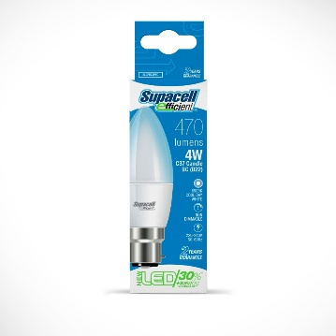
Candle C37 B22 Pearl 4W 6500K CDW (220V-240V) Pro Efficient | 8573 | £59,925.27 | £6.99
Candle C37 E27 Pearl 4W 6500K CDW (220V-240V) Pro Efficient | 8720 | £60,952.80 | £6.99 | 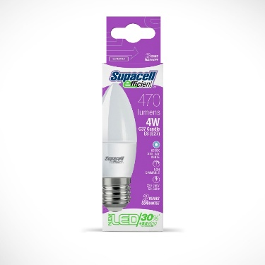
Golf G45 B22 Pearl 4W 2700K WW (220-240V) Pro Efficient | 6 | £41.94 | £6.99 | 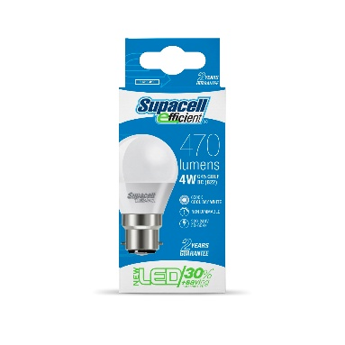
Golf G45 B22 Pearl 4W 6500K CDW (220-240V) Pro Efficient | 3821 | £26,708.79 | £6.99
Golf G45 E27 Pearl 4W 2700K WW (220-240V) Pro Efficient | 808 | £5,647.92 | £6.99 | 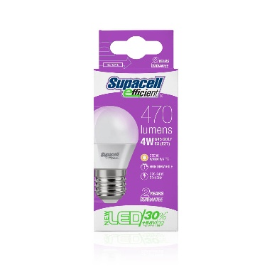
Golf G45 E14 Pearl 4W 2700K WW (220-240V) Pro Efficient | 2961 | £20,697.39 | £6.99 | 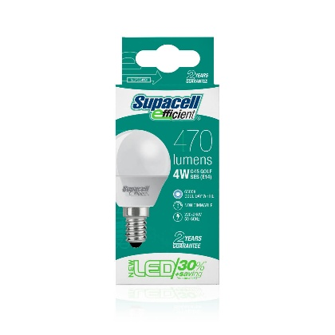
Golf G45 E14 Pearl 4W 6500K CDW (220-240V) Pro Efficient | 2482 | £17,349.18 | £6.99
A60 E27 4W=40W 500lm 2700K WW (220-240V) Pro Efficient | 5693 | £39,794.07 | £6.99 | 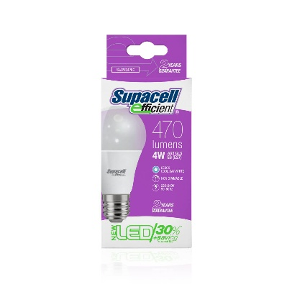
A60 B22 4W = 40W 500lm 6500K CDW (220-240V) Pro Efficient | 1131 | £7,905.69 | £6.99 | 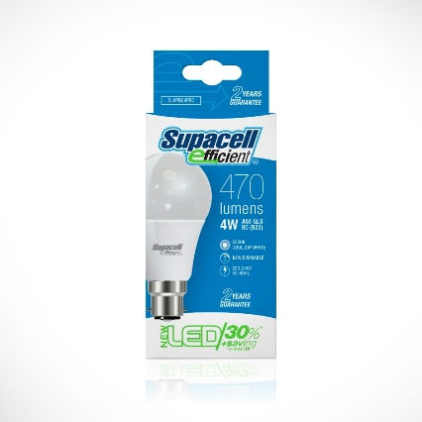
A60 E27 4W=40W 500lm 6500K CDW (220-240V) Pro Efficient | 1356 | £9,478.44 | £6.99
 | 44399 | £310,349.01

